Sheet1
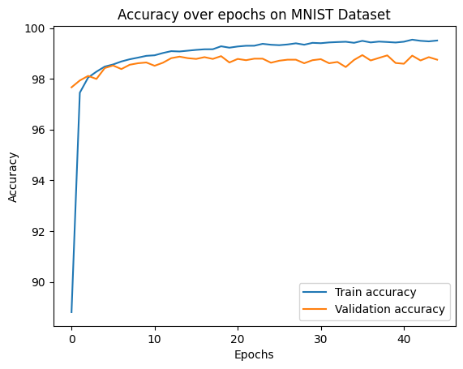
 | Validation | Training
0 | 0.97663738019 | 0.88808333333
1 | 0.97933306709 | 0.97451666667
2 | 0.98113019169 | 0.98048333333
3 | 0.97993210863 | 0.9828
4 | 0.98422523962 | 0.9848
5 | 0.98522364217 | 0.98563333333
6 | 0.98382587859 | 0.98681666667
7 | 0.98552316294 | 0.98768333333
8 | 0.98612220447 | 0.98833333333
9 | 0.98642172524 | 0.98903333333
10 | 0.98512380192 | 0.98925
11 | 0.98632188498 | 0.99015
12 | 0.98811900958 | 0.99088333333
13 | 0.98871805112 | 0.99075
14 | 0.98811900958 | 0.99106666667
15 | 0.98781948882 | 0.99138333333
16 | 0.98851837061 | 0.99161666667
17 | 0.98781948882 | 0.99163333333
18 | 0.98891773163 | 0.9928
19 | 0.98642172524 | 0.99225
20 | 0.98781948882 | 0.99271666667
21 | 0.98732028754 | 0.993
22 | 0.98791932907 | 0.99301666667
23 | 0.98791932907 | 0.99376666667
24 | 0.98632188498 | 0.9934
25 | 0.98712060703 | 0.99323333333
26 | 0.98751996805 | 0.99351666667
27 | 0.98751996805 | 0.99396666667
28 | 0.98612220447 | 0.99341666667
29 | 0.98732028754 | 0.99415
30 | 0.98771964856 | 0.99401666667
31 | 0.98612220447 | 0.99431666667
32 | 0.98662140575 | 0.99446666667
33 | 0.98462460064 | 0.99458333333
34 | 0.9874201278 | 0.99416666667
35 | 0.98931709265 | 0.99493333333
36 | 0.98722044728 | 0.99431666667
37 | 0.98821884984 | 0.99465
38 | 0.9892172524 | 0.99448333333
39 | 0.98622204473 | 0.99428333333
40 | 0.98592252396 | 0.9946
41 | 0.98911741214 | 0.9954
42 | 0.98722044728 | 0.99495
43 | 0.98851837061 | 0.99473333333
44 | 0.98751996805 | 0.99506666667

